I2C Addresses
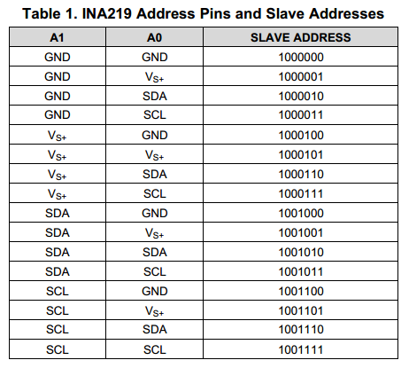
Address | Device | Designator | All available addresses
1110110 | BMP280 |  | 1110110, 1110111
1110111 | BMP280 |  | 1110110, 1110111
1001000 | DS1624 |  | 1001000, 1001001, 1001010, 1001011, 1001100, 1001101, 1001110, 1001111
1001001 | DS1624 |  | 1001000, 1001001, 1001010, 1001011, 1001100, 1001101, 1001110, 1001111
1000000 | INA219 |  | INA219 Sheet
1000001 | INA219 |  | INA219 Sheet
1000100 | INA219 |  | INA219 Sheet
1000101 | INA219 |  | INA219 Sheet
1101000 | DS3232 |  | 1101000

